Sheet1

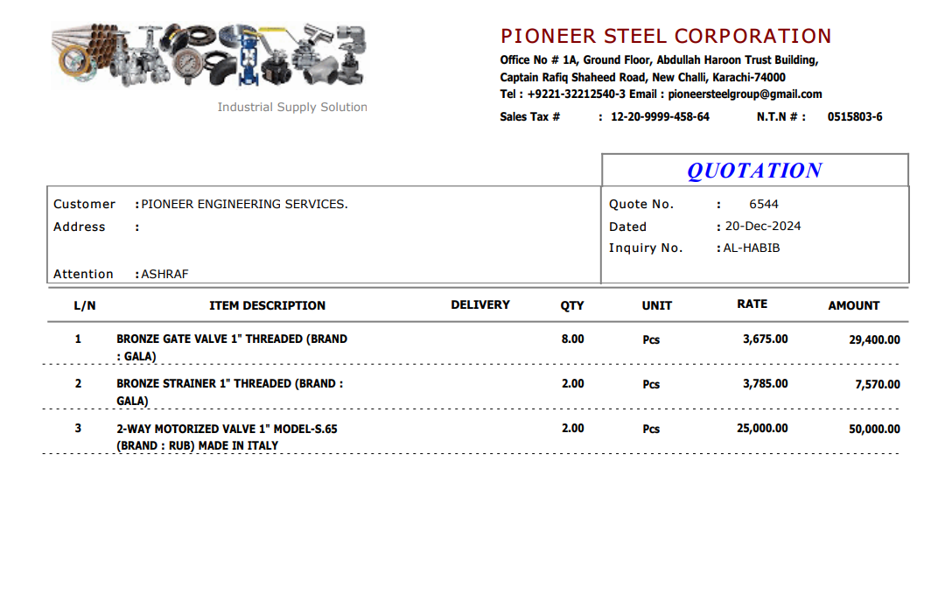

M/S Pioneer Steel |  |  |  |  | 23-Dec-24

Att: Mr. Sheeraz

PURCHASE ORDER

Supply of Valve for the project (Bank Al-Habib 12 Floor Center point Karachi)
S No. | D e s c r i p t i o n | Qty | Unit | Rate | Amount
 | Brand: GALA
1 | Bronze gate valve 1" (Threaded) | 8 | No | 3,675 | 29,400
2 | Strainer 1" (Threaded) | 2 | No | 3,785 | 7,570
 |  | TOTAL: |  |  | 36,970

Note: Above PO is subject to approval from the consultant.

for PIONEER ENGINEERING SERVICES

